Dashboard
🏆 WINING TEAM GUJARAT TITANS ⚡
TOTAL MATCHES
TOSS → MATCH WIN %
ORANGE CAP HOLDER
Jos Buttler (863)RUNS
PURPLE CAP HOLDER
Yuzvendra Chahal (27)WKT

950
51%

🏏 IPL | Total Matches Overview
 | Total
2022 | 74
2021 | 60
2020 | 60
2019 | 60
2018 | 60
2017 | 59
2016 | 60
2015 | 59
2014 | 60
2013 | 76
2012 | 74
2011 | 73
2010 | 60
2009 | 57
2008 | 58
🏏 Team-Wise Total Wins in IPL (2009–2022)
 | Total
KTK | 6
LSG | 9
GT | 25
RPS | 27
RR | 96
KXIP | 101
DC | 103
SRH | 104
RCB | 109
KKR | 114
CSK | 121
MI | 131
🏏Matches Played by City
 | Total
Bloemfontein | 2
East London | 3
Nagpur | 3
Kimberley | 3
Kanpur | 4
Kochi | 5
Raipur | 6
Ranchi | 7
Cuttack | 7
Cape Town | 7
Port Elizabeth | 7
Johannesburg | 8
Indore | 9
Dharamsala | 9
Navi Mumbai | 9
Sharjah | 10
Rajkot | 10
Centurion | 12
Visakhapatnam | 13
Dubai | 13
Bengaluru | 15
Durban | 15
Ahmedabad | 19
Abu Dhabi | 37
Jaipur | 47
NA | 51
Pune | 51
Chandigarh | 56
Hyderabad | 64
Bangalore | 65
Chennai | 67
Delhi | 78
Kolkata | 79
Mumbai | 159

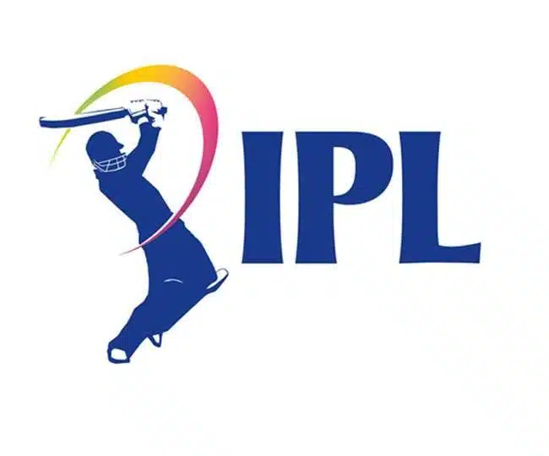

🏆 IPL Champions (2009–2022)
 | Total
MI | 5 Times
CSK | 4 Times
SRH | 2 Times
KKR | 2 Times
GT | 1 Times
RR | 1 Times
🏏Win Percentage Ratio
 | Total
KTK | 6
LSG | 9
GT | 25
RPS | 27
RR | 96
KXIP | 101
DC | 103
SRH | 104
RCB | 109
KKR | 114
CSK | 121
MI | 131

